Sales Aids
Name:_____________________________________________ |  |  |  |  |  | Account Number:_______________ | Date:__________

SALES AIDS ORDER FORM

 | QTY | PRICE | TOTAL |  |  |  | QTY | PRICE | TOTAL
FLORI ROBERTS |  |  |  |  |  | ACCESSORIES
Tissue Paper – Gold w/Logo (1 sheet) [9700002G] |  | $0.20 | $- |  |  | Silk Scarf – Clear [10605] |  | $19.00 | $-
Tissue Paper – Peach w/Logo (1 sheet) [9962180] |  | $0.10 | $- |  |  | Silk Scarf – Deep [10603] |  | $19.00 | $-
Tissue Paper – White w/Logo (1 sheet) [9700003W] |  | $0.10 | $- |  |  | Silk Handbag Dark Rose [10652] |  | $22.50 | $-
FR Logo Black Tote Bag [8701862] |  | $3.50 | $-

 |  |  |  |  |  | BUSINESS MATERIALS
COLOR ME BEAUTIFUL |  |  |  |  |  | Catalog – Color Me Beautiful, Gale Hayman,
Tissue Paper – White w/Logo (1 sheet) [10760] |  | $0.14 | $- |  |  | Adrien Arpel and Flori Roberts (1) [81230] |  | $1.50 | $-
CMB Logo Black Tote Bag [8701861] |  | $3.50 | $- |  |  | Glamourous Start Color Guide (Pack of 5) [4115] |  | $4.75 | $-

ADRIEN ARPEL |  |  |  |  |  | BRUSHES/APPLICATORS
Sample – C Source 7 Day Supply [22-74001] |  | $7.50 | $- |  |  | Cream to Powder Sponge (single) [7100200] |  | $0.47 | $-

CMB BOOK |  |  |  |  |  | COLOR ALLIANCE TRAINING TOOLS
CMB Makeup Book [BKCOSM] |  | $5.50 | $- |  |  | Color Alliance Skincare Brochure [4117] |  | $2.50 | $-
Re-Invent Yourself with Color Me Beautiful [101384] |  | $13.95 | $- |  |  | Glamourous Start Color Guide (pk of 5) [4115] |  | $1.75 | $-
 |  |  |  |  |  | Skin Skan [52200] (Previously Owned) |  | $95.00 | $-
ACCESSORIES
Bag – Cosmetic Large with Handles Red [22-8705162] |  | $7.50 | $- |  |  | Individual Group Coordinates
Bag – Clear Side Locking [87000001] |  | $0.68 | $- |  |  | Group 1 - 4221 |  | $8.00 | $-
Pin – Color Me Beautiful [90107] |  | $6.50 | $- |  |  | Group 2 - 4222 |  | $8.00 | $-
 |  |  |  |  |  | Group 3 - 4223 |  | $8.00 | $-
COLOR ANALYSIS TRAINING TOOLS |  |  |  |  |  | Group 4 - 4224 |  | $8.00 | $-
4 Season Single Panel Set [312513] |  | $35.00 | $- | #REF! | #REF! | Group 5 - 4225 |  | $8.00 | $-
CMB Makeup Book [BKCOSM] |  | $5.50 | $- |  |  | Group 6 - 4226 |  | $8.00 | $-
Re-Invent Yourself with Color Me Beautiful Book [101384] |  | $13.95 | $- |  |  | Group 7 - 4227 |  | $8.00 | $-
 |  |  |  | #REF! |  | Group 8 - 4228 |  | $8.00 | $-
SUPPLIES |  |  |  |  |  | Group 9 - 4229 |  | $8.00 | $-
Black Palette Zipper Pouch [874222] |  | $2.50 | $- | #REF! |  | Group 10 - 4230 |  | $8.00 | $-
Makeup Sponge – Square [CBSPN1] |  | $1.70 | $- | #REF! |  | Group 11 - 4231 |  | $8.00 | $-
Shopping Bag – Branded (LG) [8700003] |  | $0.22 | $- | #REF! |  | Group 12 - 4232 |  | $8.00 | $-
Shopping Bag – Branded (SM) [8700002] |  | $0.13 | $- |  |  | Complete Set of 12 [4220] |  | $96.00 | $-

 |  |  |  | $0.00
 |  |  |  | $0.00

 |  |  |  | #REF!
 |  |  |  | #REF!

No limit on number of Sales Aids you can order.

Name:_____________________________________________ |  |  |  |  |  | Account Number:_______________ | Date:__________

COLOR DISPLAYS

 | QTY | PRICE | TOTAL |  |  |  | QTY | PRICE | TOTAL
COLOR ME BEAUTIFUL |  |  |  |  |  | FLORI ROBERTS
Color Me Beautiful Tester Display Unit |  |  |  |  |  | Flori Roberts Tester Display Unit
Products shown must be ordered separately |  |  |  |  |  | Products shown must be ordered separately

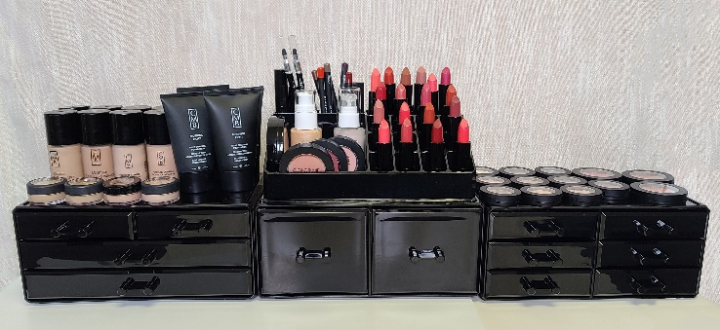
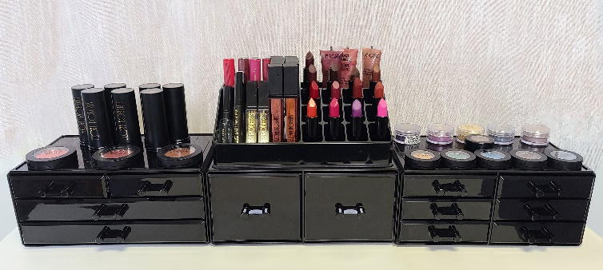

Color Me Beautiful Unit |  | $45.00 | $- |  |  | Flori Roberts Display Unit |  | $45.00 | $-
PLASTIC ONLY- Special Order |  |  |  |  |  | PLASTIC ONLY- Special Order
1 4 Drawer Base, 1 Lipstick Plus Holder, 1 2 Drawer Storage Base, 1 6 Drawer |  |  |  |  |  | 1 4 Drawer Base, 1 Lipstick Plus Holder, 1 2 Drawer Storage Base, 1 6 Drawer
Base |  |  |  |  |  | Base

 |  |  |  |  |  |  |  |  | $-
 |  |  | $- |  |  |  |  |  | $-

